Small Acreage Meat Goat
Projections for Planning Purposes Only
Estimated Costs and Returns
Small Acreage Meat Goats: 40 Acres, 12 Nannies and 1 Billy (6 hd per A.U)
West Central Texas
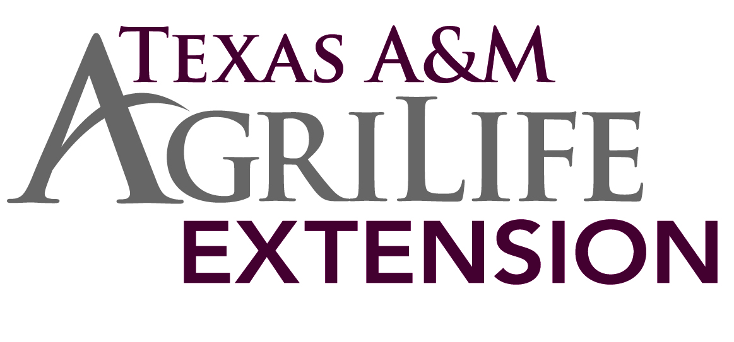
Overall Kid Weaning Percentage | 120%
Average acres per Animal Unit | 20
Item | Quantity |  | Unit | Price
 |  |  |  | $/cwt | Amount
Gross Income
 | head | cwt.
Meat Goat Kids | 12 | 0.55 | cwt. | $185.00 | $1,221.00
Cull Does | 2.00 | 1.15 | cwt. | $80.00 | $184.00
Cull Buck | 0.5 | 2.00 | cwt. | $75.00 | $75.00

Total Gross Income |  |  |  |  | $1,480.00

Direct Expenses
Vet/Medicine
Soremouth Vac. |  | 14.00 | dose | $0.14 | $1.96
Dewormer-Ivomec |  | 340.00 | ml | $0.05 | $17.00
Pasture Rent $/au/Mo. | mo. | 0.00 | au | $13.50 | $0.00
Salt & Mineral
Salt |  | 118.60 | lb | $0.11 | $13.05
Mineral |  | 118.60 | lb | $0.49 | $58.11
Health Management
Lice Control |  | 1.00 | au | $1.00 | $1.00
Purchased Feed
Corn |  | 0.00 | lb | $0.22 | $0.00
Cottonseed |  | 540.00 | lb | $0.23 | $124.20
Marketing
Commission - |  | 14.50 | hd | $3.30 | $47.85
Yardage |  | 14.50 | hd | $0.65 | $9.43
Trucking |  |  | hd |  | $0.00
Farm & Ranch Supply
Supply |  | 12.00 | ea | $2.00 | $24.00
Operator Labor
Management Labor |  | 0.00 | ea | $15.00 | $0.00
Day Labor |  | 0.00 | day | $150.00 | $0.00
Fuel
Pickup Fuel |  | 21.50 | gal | $3.25 | $69.88
Utilities
Electricity |  | 12.00 | month | $5.00 | $60.00
Telephone |  | 12.00 | month | $1.00 | $12.00
Repair & Maintenance
Ranch Overhead |  | 1.00 | AU | $191.30 | $191.30
Predator Control/Management |  | 1.00 | AU | $0.00 | $0.00
Risk Management
Pasture Rainfall Insurance |  | 40.00 | ac | $0.85 | $34.00
Interest On Oper Capital |  | 3.75% | % APR | $12.54 | $12.54

Total Direct Expenses |  |  |  |  | $676.31

Returns Above Direct Expenses |  |  |  |  | $803.69

Fixed Expenses
Small Acreage Equipment compliment |  | 1.00 | ea | $841.69 | $841.69
Meat Goat Billy |  | 1.00 | ea | $33.00 | $33.00
Property Tax and Insurance |  | 1.00 | ea | $56.00 | $56.00

Total Fixed Expenses |  |  |  |  | $930.69

Oper labor/Land Charge/Return to Resources
Pasture |  | 40.00 | ac | $0.00 | $0.00
Management |  | 1.00 | AU | $0.00 | $0.00
Other |  | 1.00 | AU |  | $0.00
Total Expenses |  |  |  |  | $1,607.00

Residual Returns |  |  |  |  | -$127.00
Projections for Planning Purposes Only
Estimated Breakeven Prices and Sensitivity Analysis
Small Acreage Meat Goats: 40 Acres, 12 Nannies and 1 Billy (6 hd per A.U)
West Central Texas

 |  | Gross sales |  | Average Break Even |  | Average Break Even
Weaning |  |  |  | Kid Price to Cover |  | Kid Price to Cover
% |  |  |  | Variable Cost |  | Total Cost
140% |  | $1,764.90 | $51.27 |  |  | $165.60
130% |  | $1,642.80 | $55.79 |  |  | $180.21
120% |  | $1,480.00 | $61.19 |  |  | $197.65
110% |  | $1,398.60 | $67.75 |  |  | $218.83
100% |  | $1,276.50 | $75.88 |  |  | $245.09
For questions and/or additional information please contact Bill Thompson at 325-653-4576 (w-thompson@tamu.edu)
Information presented is prepared solely as a general guide & not intended to recognize or predict the costs & returns from any one operation.
These projections were collected & developed by Texas AgriLife Extension staff & approved for publication.

